Sheet1
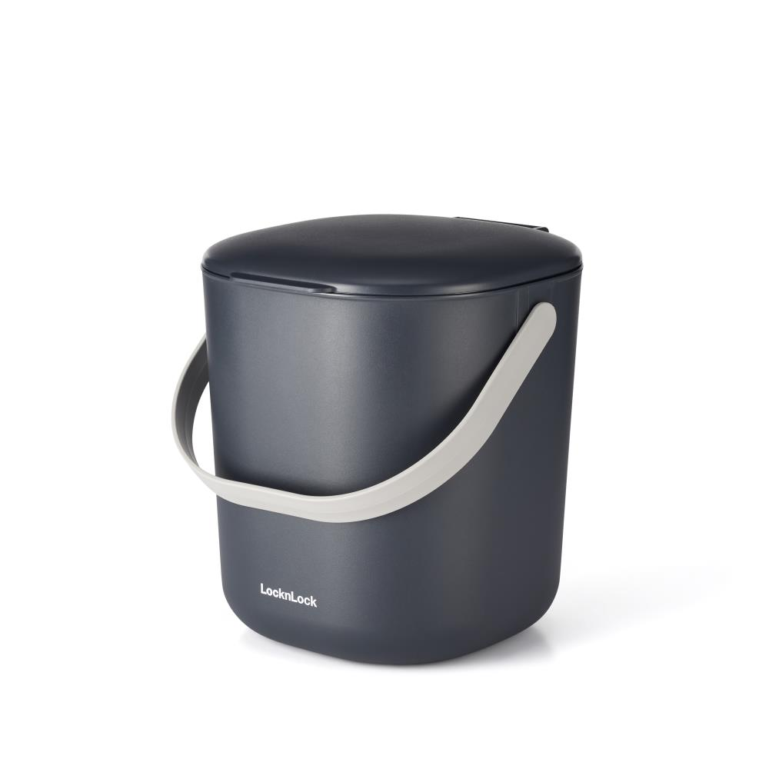
Picture | Item code | Description | Extra information | Restriction | Stock | Sales price EXW | Retail price | Barcode | Quantity PU | Quantity pallet | Pallet | Origin | Customs code | Item weight | Languages on package | Group
 | 21781 | LocknLock Vacuum Storage, Food Waste Caddy 6L 80x24x25cm | P509157 | No Use Of Logo In Advertising + No Sales To Grovery Retail Sector | 7344 | 6.9 | 20 | 5054903869009 | 4 | 80 | Europallet 120x80 | E | 3923501000 | 390 | cn cz de dk en es fr gr hu it nl pl ro ru se si sk | LocknLock Vacuum Storage

